Sheet1
Bicyclist deaths , 1975-2016 |  |  | Number of deaths in fatal crashes, 1975-2016
Year | Total* | *Total includes other and/or unknowns | Year | Total Deaths |  | Bicyclist Deaths
1975 | 1,003 |  | 1975 | 44,525 | 1975 | 1,003 | 2.3%
1976 | 914 |  | 1976 | 45,523 | 1976 | 914 | 2.0%
1977 | 922 |  | 1977 | 47,878 | 1977 | 922 | 1.9%
1978 | 892 |  | 1978 | 50,331 | 1978 | 892 | 1.8%
1979 | 932 |  | 1979 | 51,093 | 1979 | 932 | 1.8%
1980 | 965 |  | 1980 | 51,091 | 1980 | 965 | 1.9%
1981 | 936 |  | 1981 | 49,301 | 1981 | 936 | 1.9%
1982 | 864 |  | 1982 | 43,945 | 1982 | 864 | 2.0%
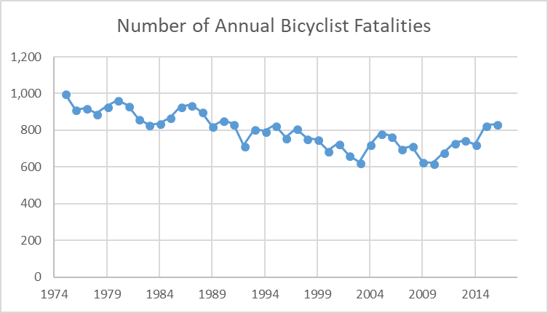
1983 | 830 |  | 1983 | 42,589 | 1983 | 830 | 1.9%
1984 | 838 |  | 1984 | 44,257 | 1984 | 838 | 1.9%
1985 | 869 |  | 1985 | 43,825 | 1985 | 869 | 2.0%
1986 | 929 |  | 1986 | 46,087 | 1986 | 929 | 2.0%
1987 | 940 |  | 1987 | 46,390 | 1987 | 940 | 2.0%
1988 | 901 |  | 1988 | 47,087 | 1988 | 901 | 1.9%
1989 | 822 |  | 1989 | 45,582 | 1989 | 822 | 1.8%
1990 | 853 |  | 1990 | 44,599 | 1990 | 853 | 1.9%
1991 | 836 |  | 1991 | 41,508 | 1991 | 836 | 2.0%
1992 | 717 |  | 1992 | 39,250 | 1992 | 717 | 1.8%
1993 | 806 |  | 1993 | 40,150 | 1993 | 806 | 2.0%
1994 | 796 |  | 1994 | 40,716 | 1994 | 796 | 2.0%
1995 | 828 |  | 1995 | 41,817 | 1995 | 828 | 2.0%
1996 | 761 |  | 1996 | 42,065 | 1996 | 761 | 1.8%
1997 | 811 |  | 1997 | 42,013 | 1997 | 811 | 1.9%
1998 | 757 |  | 1998 | 41,501 | 1998 | 757 | 1.8%
1999 | 750 |  | 1999 | 41,717 | 1999 | 750 | 1.8%
2000 | 689 |  | 2000 | 41,945 | 2000 | 689 | 1.6%
2001 | 729 |  | 2001 | 42,196 | 2001 | 729 | 1.7%
2002 | 663 |  | 2002 | 43,005 | 2002 | 663 | 1.5%
2003 | 626 |  | 2003 | 42,884 | 2003 | 626 | 1.5%
2004 | 722 |  | 2004 | 42,836 | 2004 | 722 | 1.7%
2005 | 784 |  | 2005 | 43,510 | 2005 | 784 | 1.8%
2006 | 769 |  | 2006 | 42,708 | 2006 | 769 | 1.8%
2007 | 699 |  | 2007 | 41,259 | 2007 | 699 | 1.7%
2008 | 716 |  | 2008 | 37,423 | 2008 | 716 | 1.9%
2009 | 628 |  | 2009 | 33,883 | 2009 | 628 | 1.9%
2010 | 621 |  | 2010 | 32,999 | 2010 | 621 | 1.9%
2011 | 680 |  | 2011 | 32,479 | 2011 | 680 | 2.1%
2012 | 730 |  | 2012 | 33,782 | 2012 | 730 | 2.2%
2013 | 747 |  | 2013 | 32,894 | 2013 | 747 | 2.3%
2014 | 723 |  | 2014 | 32,744 | 2014 | 723 | 2.2%
2015 | 828 |  | 2015 | 35,485 | 2015 | 828 | 2.3%
2016 | 835 |  | 2016 | 37,461 | 2016 | 835 | 2.2%
 |  |  |  |  |  | Number of Bicyclists Killed | Bicyclists as a Percentage of Traffic Deaths

